CI
C:\Windows\Microsoft.NET\Framework\v4.0.30319\msbuild.exe

msbuild ProjectPath\ProjectName.csproj /T:Package /P:PackageLocation="FilePath";AllowedReferenceRelatedFileExtensions=none
msbuild mysln.sln /p:DeployOnBuild=true /p:PublishProfile=<profile-name>

msbuild "I:\__WORKSPACE\DataAccessLayer\SourceCode\branches\DAL_004_Payment_Two\Aswig.Services.Host\Aswig.Services.Host.csproj"
/p:DeployOnBuild=True;DeployTarget=MSDeployPublish;MsDeployServiceUrl="https://10.9.11.22:8172/msdeploy.axd";DeployIisAppPath="DAL TestCI/DAL_HEM";
AllowUntrustedCertificate=True;MSDeployPublishMethod=WMSvc;CreatePackageOnPublish=True;UserName="dvnapp02\n.hoang";Password=nghiemhd;
AllowedReferenceRelatedFileExtensions=none;PdbFile=none

/P: | (property)
 | BuildProjectReferences=true
 | PackageLocation="FilePath\FileName.zip"
 | PackageTempRootDir="FilePath" |  |  |  | --> Generate Bin & svc in FilePath\PackageTmp
 | _PackageTempDir="FilePath" |  |  |  | --> Generate Bin & svc in FilePath
 | AllowedReferenceRelatedFileExtensions=none |  |  |  | remove .pdb & .xml files
 | BaseOutputPath
 | PdbFile=none |  |  |  | remove .pdb files
 | SkipExtraFilesOnServer=True |  |  |  | prevent delete folders on IIS

>"%ProgramFiles%\IIS\Microsoft Web Deploy\msdeploy.exe" -verb:sync -source:dirPath=<SourceFolder> -dest:dirPath=<DestinationFolder>

xcopy "SourcePath" "DestinationPath" /e/y/i
/y | Suppresses prompting to confirm that you want to overwrite an existing destination file.
/i | If Source is a directory or contains wildcards and Destination does not exist, xcopy assumes destination specifies a directory name and creates a new directory.
/e | Copies directories and subdirectories, including empty ones.

net use "\\10.9.11.22\DAL TestCI\DALServices\bin" nghiemhd /usser:DVNAPP02\n.hoang
copy "C:\Users\n.hoang\.hudson\jobs\Build DAL Services\workspace\Output\bin\*.*" "\\10.9.11.22\DAL TestCI\DALServices\bin"

@setlocal
@echo off
set path=%winrar_home%
winrar.exe a -afzip -m5 -ed -pTest -r -ep1 "\\10.9.11.22\DAL TestCI\DALServices\DAL_HEM\backup\2014-03-21.zip" "\\10.9.11.22\DAL TestCI\DALServices\DAL_HEM\backup\2014-03-21\*"
 | a | Add files to archive.
 | -afzip | create archive files in ZIP format.
 | -m5 | use best compression method (slightly more compressive, but slowest)
 | -ed | Do not add empty directories
 | -pTest | password: Test
 | -r | take input files recursively to include sub-directories
 | -ep1 | Exclude base dir from names. Do not store the path entered in the command line.

Sonar
 | # required metadata
 | sonar.projectKey=dal:dal
 | sonar.projectName=Data Access Layer
 | sonar.projectVersion=current

 | # path to source directories (required)
 | sonar.sources=.

 | # The value of the property must be the key of the language.
 | sonar.language=cs
 | sonar.sourceEncoding=utf-8
 | sonar.profile=Light

PowerShell |  |  | %SystemRoot%\system32\WindowsPowerShell\v1.0\powershell.exe
 | set-ExecutionPolicy Unrestricted |  |  | //Run this command in order to be able to run
 | import-module WebAdministration |  |  | //Run this --> stop-website
 | stop-website "DAL"
 | start-website "DAL"
 |  |  |  |  |  |  | cmd
 | PowerShell: |  |  |  |  | <==> | winrm get winrm/config/client |  |  | --> View trusted host
 | Set-Item WSMan:\localhost\Client\TrustedHosts * |  |  |  |  |  | winrm set winrm/config/client @{TrustedHosts=""} |  |  |  | --> remove trusted host
 | Set-Item WSMan:\localhost\Client\TrustedHosts 10.9.11.22 |  |  |  |  |  | winrm set winrm/config/client @{TrustedHosts="10.9.11.22"}

 | Enable-PsRemoting -Force/Disable-PsRemoting -Force |  |  |  |  |  | winrm quickconfig
 |  |  |  |  |  |  | How to disable:
 |  |  |  |  |  |  |  | 1) | Delete the listener that accepts requests on any IP address, Usually this means listener with Address = * and Port = 5985 that is using Transport = HTTP. you can verify this by running
 |  |  |  |  |  |  |  |  | winrm enumerate winrm/config/listener
 |  |  |  |  |  |  |  |  | You can delete it by running
 |  |  |  |  |  |  |  |  | winrm delete winrm/config/listener?address=*+transport=HTTP
 |  |  |  |  |  |  |  | 2) | Disable firewall exceptions. This is pretty simple. Just uncheck Windows Remote Management checkbox for desired (or all) profiles.
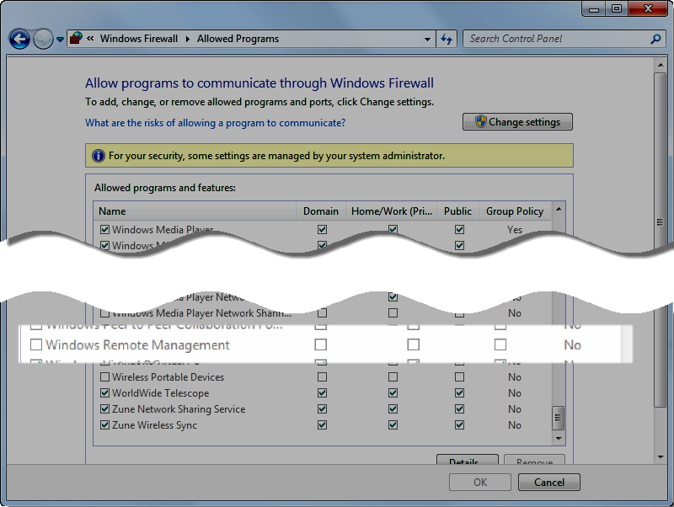

 |  |  |  |  |  |  |  | 3) | PowerShell Stop-Service winrm
 |  |  |  |  |  |  |  |  | PowerShell Set-Service -Name winrm -StartupType Disabled

 |  |  |  |  |  |  |  | 4) | Set value of LocalAccountTokenFilterPolicy to 0
 |  |  |  |  |  |  |  |  | PowerShell Set-ItemProperty -Path HKLM:\SOFTWARE\Microsoft\Windows\CurrentVersion\Policies\System -Name LocalAccount

 | reg add HKLM\SOFTWARE\Microsoft\Windows\CurrentVersion\Policies\System /v LocalAccountTokenFilterPolicy /t REG_DWORD /d 1 /f |  |  |  |  |  |  |  |  |  |  | run this --> can run Enable-PsRemoting -Force on win 2008 R2

 | Run this command
 | C:\PS>$key = (3,4,2,3,56,34,254,222,1,1,2,23,42,54,33,233,1,34,2,7,6,5,35,43)
 | C:\PS> $standardstring = convertfrom-securestring $securestring -key $key

 | PS C:\windows\system32\windowspowershell\v1.0> Read-Host -AsSecureString | ConvertFrom-SecureString -key $key | Out-File "I:\__DAL\__CI Scripts\MyPassword.txt"
 | then enter your password, PS will encrypt your password into file MyPassword.txt

 | $password = type "I:\__DAL\__CI Scripts\MyPassword.txt" | ConvertTo-SecureString
 | $cred = New-Object -TypeName System.Management.Automation.PSCredential -argumentlist "dvnapp02\n.hoang",$password

 | Invoke-Command -ComputerName "10.9.11.22" -Credential $cred -ScriptBlock { import-module WebAdministration; Start-Website "DAL TestCI" }

 | Decrypt password
 | $Ptr = [System.Runtime.InteropServices.Marshal]::SecureStringToCoTaskMemUnicode($password)
 | $result = [System.Runtime.InteropServices.Marshal]::PtrToStringUni($Ptr)
 | [System.Runtime.InteropServices.Marshal]::ZeroFreeCoTaskMemUnicode($Ptr)
 | $result

 | cmd powershell "StopDALServices.ps1"

 | SET ThisScriptsDirectory=%~dp0
 | SET PowerShellScriptPath=%ThisScriptsDirectory%MyPowerShellScript.ps1
 | PowerShell -NoProfile -ExecutionPolicy Bypass -Command "& '%PowerShellScriptPath%'";

 | This email is aimed to guide you how to increase version number with MSBuild and Hudson

 | - We will set the version of an assembly with the following pattern
 | MajorVersion.MinorVersion.BuildNumber.Revision

 | + MajorVersion = Release Number, for example for the release 1.0 it is 1
 | + MinorVersion = Sprint Number
 | + BuildNumber = Hudson Build Number
 | + Revision = SVN revision

 | e.g: 1.5.34.34354

 | MajorVersion and MinorVersion will be updated manually
 | BuildNumber and Revision will be set by Hudson

 | 1. In your project, open AssemblyInfo.cs file and remove the following line of code

 | [assembly: AssemblyConfiguration("")]
 | [assembly: AssemblyFileVersion("1.5.8.39308")]

 | 2. Add an EMPTY file with name AssemblyFileInfo.cs to project
 | 3. Edit the csproj file by adding the following things:

 | <PropertyGroup>
 | …
 | <Major>1</Major>
 | <Minor>5</Minor>
 | <!--Hudson sets BUILD_NUMBER and SVN_REVISION -->
 | <Build>$(BUILD_NUMBER)</Build>
 | <Revision>$(SVN_REVISION)</Revision>
 | </PropertyGroup>

 | $(BUILD_NUMBER) and $(SVN_REVISION) are 2 variables of Hudson

 | Add this to under the line <Import Project="$(MSBuildToolsPath)\Microsoft.CSharp.targets" />

 | <Import Project="$(MSBuildExtensionsPath)\MSBuildCommunityTasks\MSBuild.Community.Tasks.Targets" Condition="Exists('$(MSBuildExtensionsPath)\MSBuildCommunityTasks\MSBuild.Community.Tasks.Targets')" />
 | <Target Name="BeforeBuild" Condition="Exists('$(MSBuildExtensionsPath)\MSBuildCommunityTasks\MSBuild.Community.Tasks.Targets')">
 | <Message Text="Version: $(Major).$(Minor).$(Build).$(Revision)" />
 | <AssemblyInfo CodeLanguage="CS" OutputFile="AssemblyFileInfo.cs" AssemblyFileVersion="$(Major).$(Minor).$(Build).$(Revision)" AssemblyConfiguration="$(Configuration)" Condition="$(Revision) != '' " />
 | </Target>

LoadBalancing
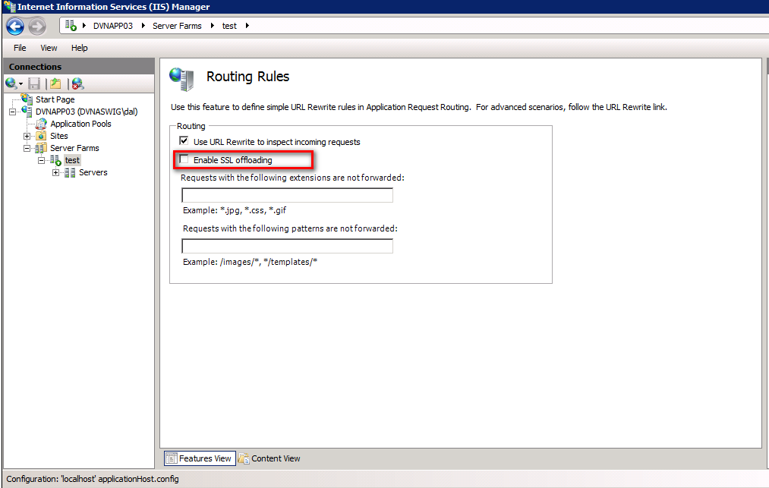
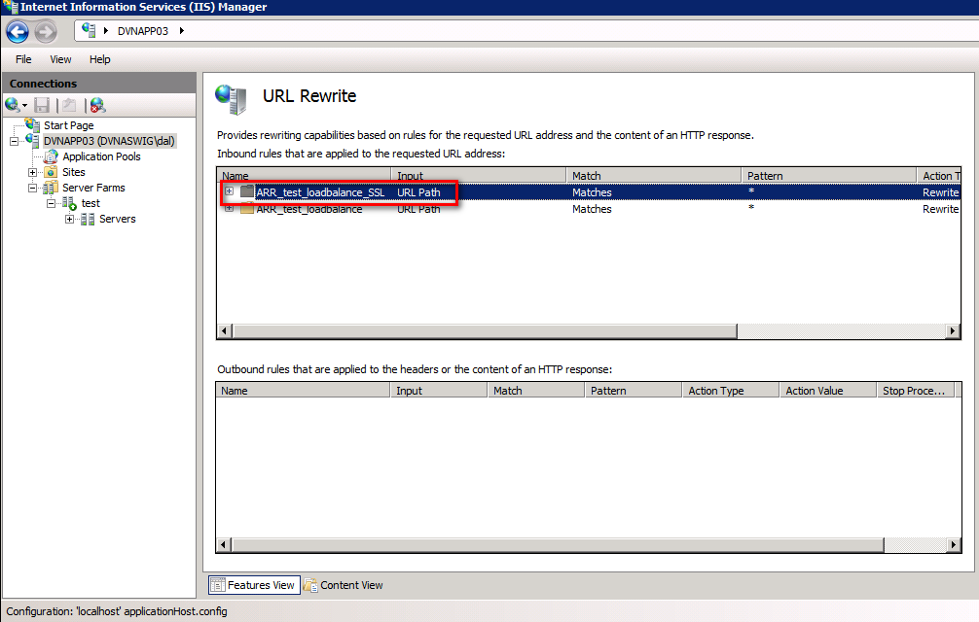
Web farm server must trust certificate of back end server for HTTPS

uncheck "Enable SSL offloading" so that URL Rewrite create a rule to redirect HTTPs requests

SQL clustering
Resources for the lab:
 | 1 Server installed Vmware ESXi 5.1 with IP 10.9.1.225
 | Using vSphere Client 5.1 to connect to this server

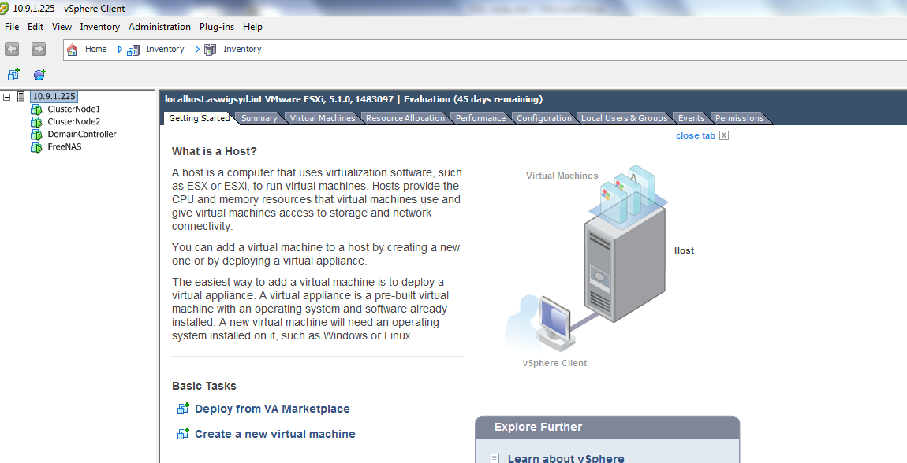

Set up 1 VM Server installed FreeNAS IP 10.9.1.230
 | 1 Hard disk for Quorum: 1GB (When setup windows clustering at DC server, it just takes 512MB for Quorum disk)
 | 1 Hard disk for DTC (50GB)
 | 1 Hard disk for SQl Server (100GB)

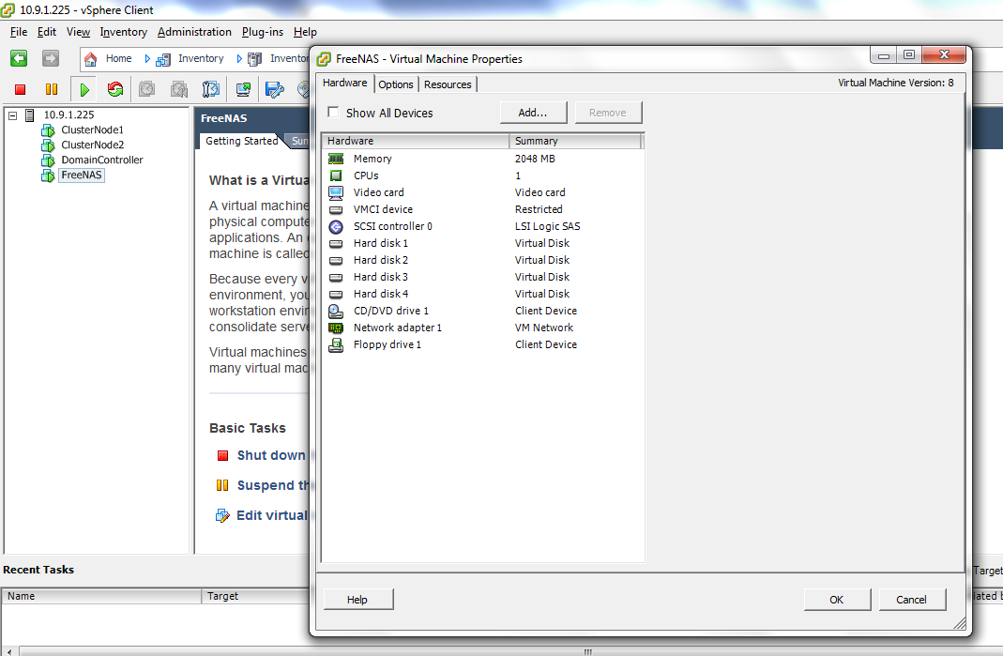

Using web UI to config FreeNAS
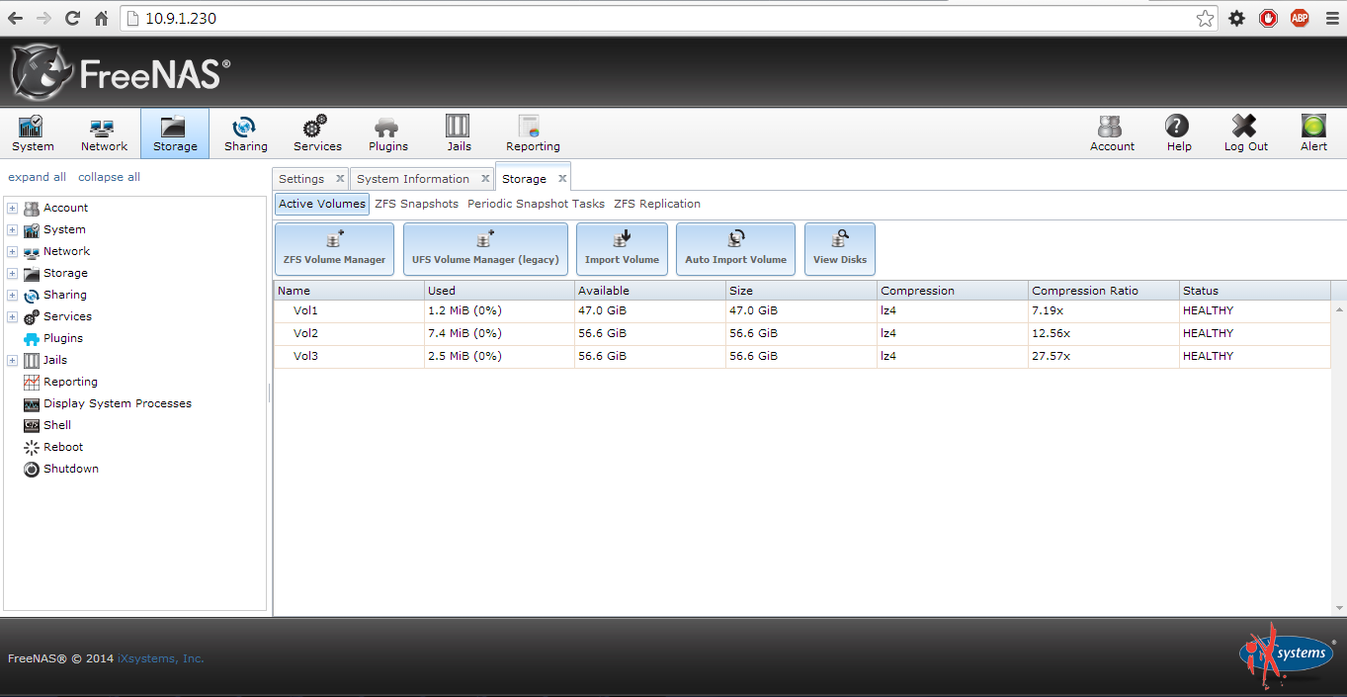

Reference this link to setup FreeNAS
http://www.thebackupschool.com/2013/11/installing-freenas-for-nassan-storage.html

Prepare 3 servers for clustering
 | 1 Server for Domain Controller IP 10.9.1.231

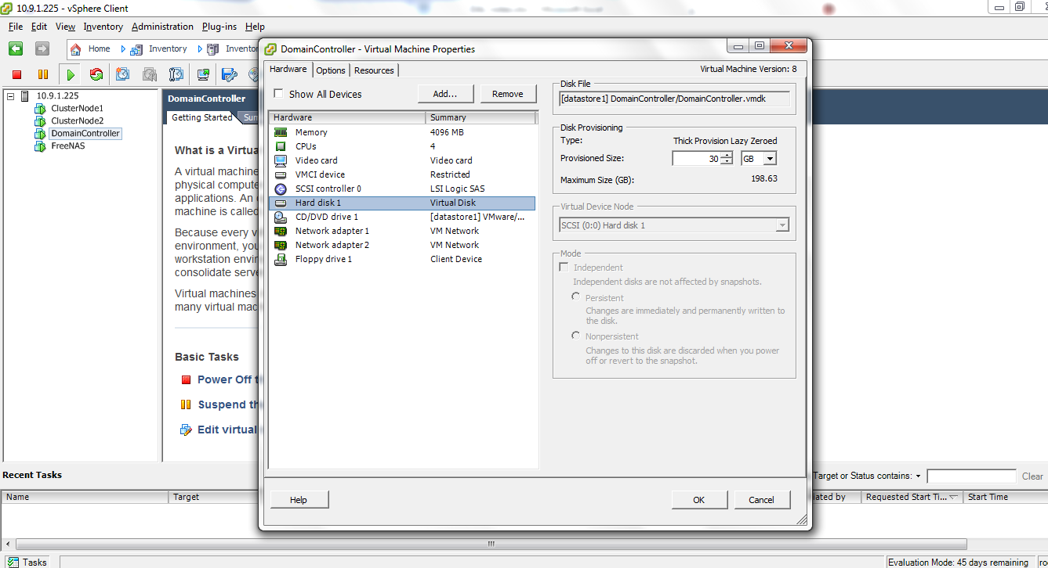

Install AD Domain service
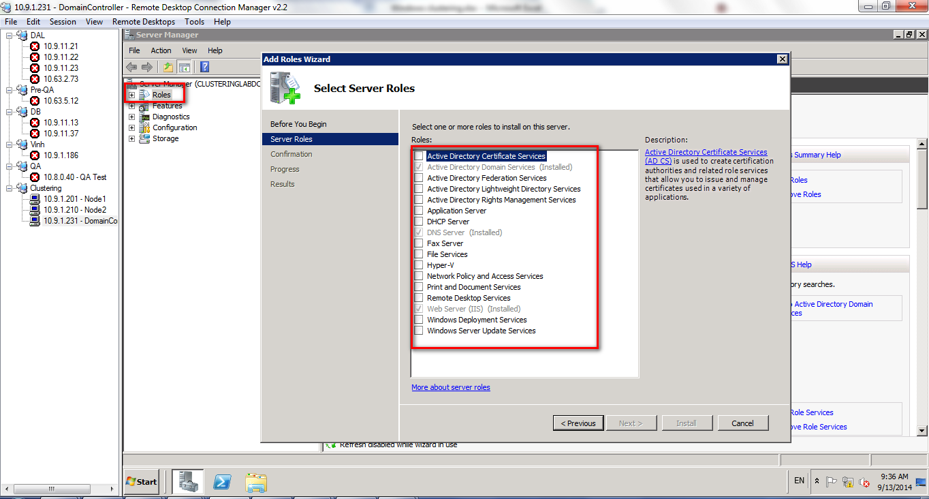

Reference this link
https://support.cloudshare.com/hc/en-us/articles/200701095-How-to-setup-and-configure-a-Domain-Controller-on-Windows-Server-2008-R2

setup Server node1 IP 10.9.1.201 join domain to Domain Controller server
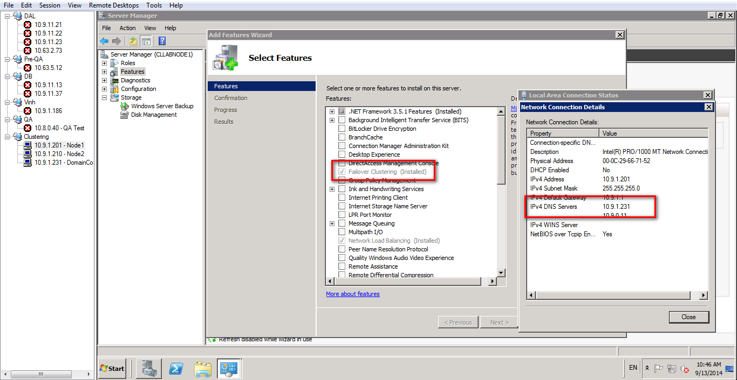

Similar with Node 2 IP 10.9.1.210

Setup cluster at DC Server
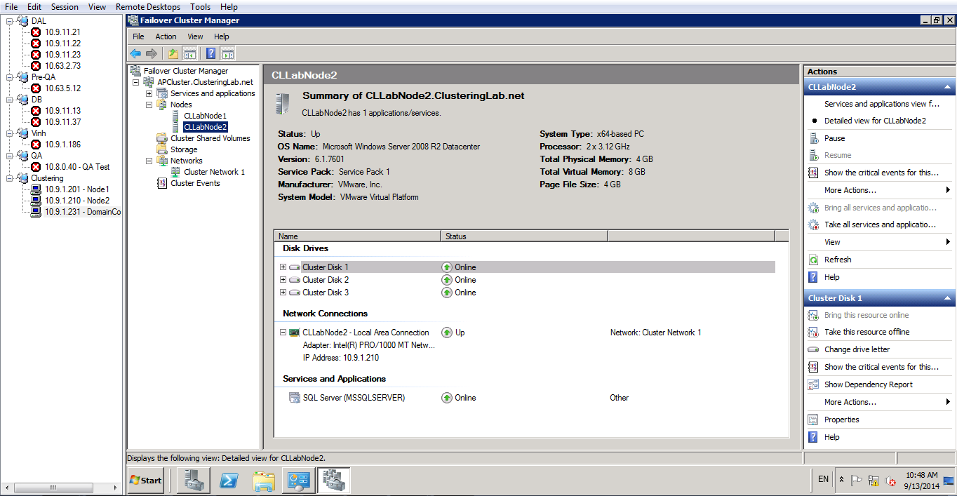

Install SQL Server cluster at Node1 Server
Install SQL Server at Node2 Server with Add node mode

Required Software
 | VMware workstation (Or Server installed Vmware ESXi and use vSphere at terminal to connect to this server)
 | Windows 2008 or R2 Operating System
 | FreeNAS
 | SQL Server

10.9.1.231 |  |  | Access point 10.9.1.232
DomainController |  |  | APClusterLabDTC 10.9.1.233
 | Administrator/Password@123

10.9.1.201 |  |  | SqlserverNode1 10.9.1.202 | This is virtual IP that clients connect to SQL Server
ClusterNode1 |  |  | NLB Cluster 10.9.1.210
 | Administrator/Password@123

10.9.1.210
ClusterNode2
 | Administrator/Password@123

FreeNAS
10.9.1.230
 | root/Password@123

10.9.1.225
 | root/Password

nmap -sP -PR 192.168.0.* |  | using nmap to detect which IP is available

